Sheet1
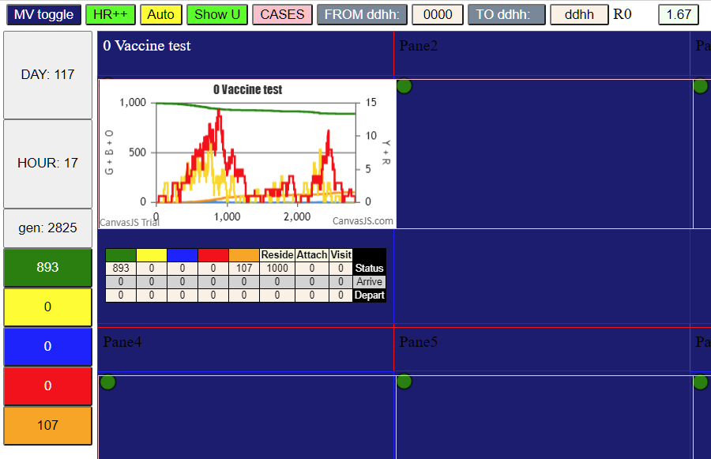
Parameters
population | 1000
ID | WaveVax
HzR | 1.85
mF | 0.75 | 0
sizeF | 1 | 0
RedDays | 9.4
VAX | T.eff1 | 21 | 0
VAX | Level.P1 | 0.82 | 0
VAX | T.dec | 120 | 0
VAX | T.res | 200 | 0
VAX | Level.R | 0.25 | 0

